Programme
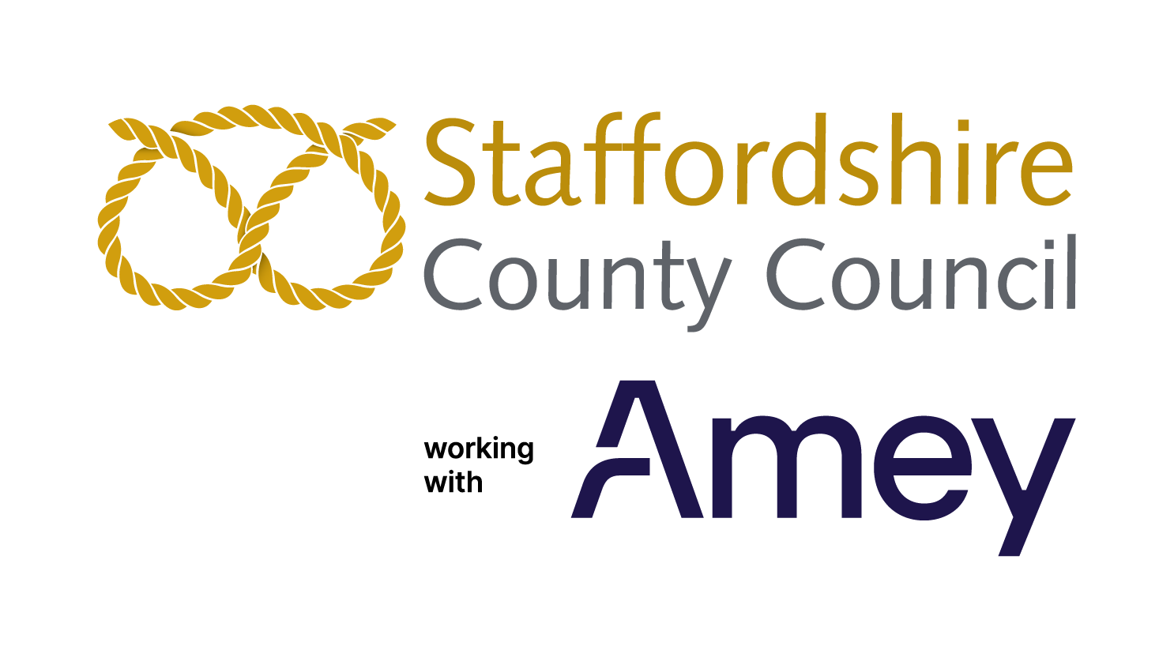
Programme Name: |  |  | Structural Maintenance Schemes

Programme Reporting Period: |  |  | April 2023 - March 2024

* All programmes of work are correct at the time of issuing. Deliverables and timeframes may be subject to change.
Road No. | Unique Street Reference | Road Name | Location | Treatment Area (if applicable) |  | Description of works | Aniticipated Programme Delivery Date (Spring/Summer/Autumn/Winter) | Status Update ( Programmed/Completed)
 |  |  |  | Start Point | Finish Point
A0053 | 27004127 | Newcastle Road | Baldwins Gate | Fairgreen Road | Appleton Drive | Replacement of high friction surfacing. | Between 19th February 2024 and 15th March 2024 | Complete
A0522 | 12900571 | Uttoxeter Road RAB, Beamhurst | Beamhurst near Uttoxeter | Island at the junction of A522 Uttoxeter Road and JCB factory | Island at the junction of A522 Uttoxeter Road and JCB factory | Carriageway resurfacing. | June 2023 | Complete
A0521 | 37602165 | Uttoxeter Road | Blythe Bridge | Grindley Lane | Stallington Lane | Carriageway & footway resurfacing | March 2023 | Complete
A5195 | 23401343 | Burtnwood Way | Burntwood | Island at the junctiom of M6 Toll | Island at the junctiom of M6 Toll | Carriageway resurfacing. | June 2023 | Complete
C0018 | 12901248 | Tutbury Road, Needwood | Burton upon Trent | Five Ways Island | Gardeners Cottage entrance | Carriageway resurfacing. | Between 19th February 2024 and 22nd March 2024 | Complete
A0511 | 12900174 | Horninglow Road North | Burton upon Trent | Balfour Street | Outside Primary School | Replacement of high friction surfacing. | February 2024 | Complete
A0511 | 12900013 | Ashby Road | Burton upon Trent | Island at the junction of Beaufort Road | Island at the junction of Beaufort Road | Carriageway resurfacing. | October 2023 | Complete
A5121 | 12901777 | Claymills Interchange | Burton upon Trent | County Boundary | Mill Stream Lane | Carriageway resurfacing. | August 2023 | Complete
A5121 | 12900093, 12902025 | Derby Road | Burton upon Trent | Horninglow Road | Hawkins Drive | Minor footway & kerbing along with carriageway resurfacing. | Between 4th March 2024 and 28th June 2024 | Ongoing
A0034 | 5500612 | Beecroft Road | Cannock | Island at the junction of Park Road and Stafford Road | Island at the junction of Park Road and Stafford Road | Carriageway resurfacing. | Between 15th April 2024 and 26th April 2024 | Programmed
A0034 | 5500945 | Mill Street | Cannock | U5059 Mill Street | A34 Walsall Road | Kerbing & footway resurfacing. | August 2023 | Complete
A4601 | 5500389 | Avon Road | Cannock | Backcrofts | Cedars Business Centre entrance | Carriageway resurfacing. | June 2023 | Complete
U5059 | 5500945 | Mill Street | Cannock | A34 Mill Street | Spring Street | Carriageway resurfacing. | September 2023 | Complete
A0522 | 37701263 | Tape Street | Cheadle | Island that serves B5032 Ashbourne Road | Junction area and approaches | Carriageway resurfacing. | Between 17th March 2024 and 15th May 2024 | Ongoing
B5368 | 27000454 | Lower Milehouse Lane | Cross Heath | Junction of Morrisons Island | Junction area and approaches | Carriageway resurfacing. | Between 3rd February 2024 and 18th April 2024 | Ongoing
A0053 | 37701113 | Broad Street | Leek | Daintry Street | Sneyd Street | Replacement of high friction surfacing. | October 2023 | Complete
A5192 | 23401099 | Eastern Avenue | Lichfield | A51 | School Entrance | Replacement of high friction surfacing. | July 2023 | Complete
C0306 | 23401249 | Trent Valley Road | Lichfield | Junction of Wisage Road | Junction of Wisage Road | Replacement of high friction surfacing. | Between 25th March 2024 and 12th April 2024 | Ongoing
A0053 | 27001453 | Newcastle Road | Loggerheads | Island at the junction of Burntwood View and approaches | Island at the junction of Burntwood View and approaches | Replacement of high friction surfacing. | Between 29th January 2024 and 23rd February 2024 | Complete
D1028 | 37700131 | Swan & Limer Rakes | Moorlands | New Road | Redfern Lane | Drainage & unmade highway resurfacing | Between May and November 2023 | Complete
A0034 | 27001747 | Talke Road (Near Bradwell Hospital) | Newcastle under Lyme | Signalised junction and approaches of A34 Talke Road and Bradwell Hospital | Signalised junction and approaches of A34 Talke Road and Bradwell Hospital | Replacement of high friction surfacing. | Between 18th March 2024 and 28th March 2024 | Complete
C0093 | 36700316 | Levedale Road | Penkridge | Preston Vale Lane | Levedale Road | Carriageway resurfacing. |  | Deffered due to nearby Development works.
A0034 | 37604630 | Gaol Road / Chell Road | Stafford | Island at the junction of Chell Road / Foregate Street / Gaol Road & Queensway, and Chell Road between Gaol Road island and Broadeye | Island at the junction of Chell Road / Foregate Street / Gaol Road & Queensway, and Chell Road between Gaol Road island and Broadeye | Carriageway resurfacing. | Between 8th April 2024 and 24th June 2024 | Ongoing
A0034 | 37602359 | Radford Bank | Stafford | Queensville island | Meadow Ridge | Carriageway resurfacing. | Between 5th August 2024 and 31st January 2025 | Programmed
A0034 | 37600509 | Weeping Cross Junction | Stafford | Islands at the junction of Radford Bank / Cannock Road / Baswich Lane & Weeping Cross | Islands at the junction of Radford Bank / Cannock Road / Baswich Lane & Weeping Cross | Carriageway resurfacing. | Between 1st July 2024 and 2nd August 2024 | Programmed
A0034 | 37602126 | Queensville Island | Stafford | Island at the junction of Queensville / Silkmore Lane / Ampleforth Drive & access to Quensville retail park | Island at the junction of Queensville / Silkmore Lane / Ampleforth Drive & access to Quensville retail park | Carriageway resurfacing. | Between 3rd February 2025 and 14th March 2025 | Programmed
A0034 / A0449 | 37600566, 37602367 | Queensway Roundabout / Wolverhampton Road (Part) | Stafford | Park Street | Queensway island | Carriageway resurfacing. | Between 4th March 2024 and 24th May 2024 | Programmed
A0034 / A0449 | 37600465 | Stone Road, Holmcroft | Stafford | Balfour Grove | Holmcroft Road | Carriageway & footway resurfacing | March 2023 | Complete
A0034 | 37602361 | Walton Roundabout | Stone | Island at the junction of The Fillybrooks / Eccleshall Road & Stafford Road | Island at the junction of The Fillybrooks / Eccleshall Road & Stafford Road | Carriageway resurfacing. | June 2023 | Complete
B5027 | 37601161 | Lichfield Road | Stone | Park House Drive | Grange Road | Replacement of high friction surfacing. | August 2023 | Complete
C0018 | 12900761 | High Street | Tutbury | Island at the junctionm of Burton Street / Duke Street & Ludgate Street. | Island at the junctionm of Burton Street / Duke Street & Ludgate Street. | Carriageway resurfacing. | April 2023 | Complete
A0518 | 12900989 | Bridge Street, (Bamford Bridge) | Uttoxeter | Island at the junction of A518 Bridge Street / Town Meadows Way & Brookside Road | Island at the junction of A518 Bridge Street / Town Meadows Way & Brookside Road | Carriageway resurfacing. | October 2023 | Complete
A0052 | 37700178 | Ash Bank Road / Washerwall Lane junction | Werrington | Signalised junction and approaches of Ash Bank Road / Washerwall Lane & Salters Lane | Signalised junction and approaches of Ash Bank Road / Washerwall Lane & Salters Lane | Carriageway & footway resurfacing | Between 22nd January 2024 and 30th May 2024 | Ongoing

